Dashboard
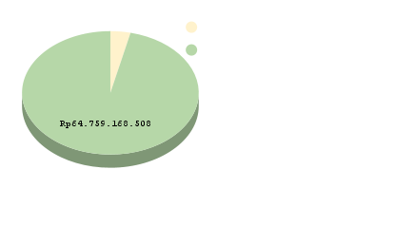
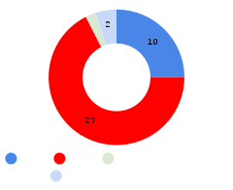
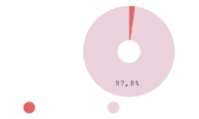

ORGANISASI RISET ELEKTRONIKA DAN INFORMATIKA - BADAN RISET DAN INOVASI NASIONAL
PURWARUPA
KEKAYAAN INTELKTUAL
KERJASAMA
RINCIAN CAPAIAN UTAMA
DASHBOARD CAPAIAN KINERJA PUSAT RISET
SAINS DATA DAN INFORMASI
Dr. Esa Prakasa, M.T.
Kepala Pusat Riset Sains Data dan Informasi
Organisasi Riset Elektronika dan Informatika

Target dan Capaian Utama
 | Target Capain | Jumlah Capaian | Jumlah Capaian
Purwarupa | 2 | 3 | 3
Kekayaan Intelektual | 30 | 37 | 37
Publikasi Internasional | 75 | 67 | 67
SDM Iptek | 10 | 5 | 5
Postdoc/VR | 5 | 8 | 8
Kerjasama LN | 5 | 7 | 7
Kerjasama DN | 15 | 25 | 25
Talenta Riset | 5 | 6 | 6
Dana Eksternal | Rp2,715,085,757 | Rp2,800,000,000 | Rp2,715,085,757

Percentase Capaian PR
Capaian PR | 92.92%
Target PR | 7.08%
Capaian Lainnya
 | Jumlah Capaian
Sitasi | 1234
Publikasi Nasional | 9

 | 0.92922297978

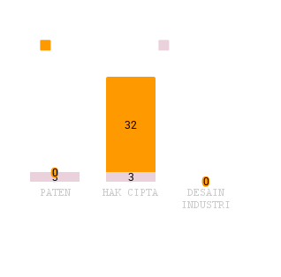
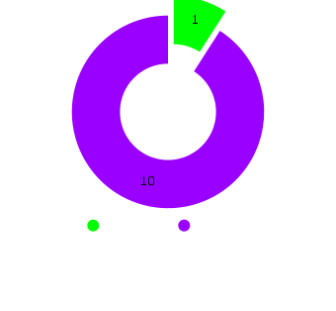

0

 |  | ,
 | `

PEROLEHAN SUMBER DANA EKSTERNAL
JENIS DAN OUTPUT
SUMBER DANA EKSTERNAL
SDM IPTEK
POSTDOC

Dashboard Lama


Capaian Lainnya
 | Jumlah Capaian
Sitasi | 1234
Publikasi Nasional | 9

Real PR | 0.00%
92,92% | 92.92%
7,08% | 7.08%

 | Terdaftar | Tersertifikasi
PATEN | 0 | 0
HAK CIPTA | 0 | 0
DESAIN INDUSTRI | 0 | 0
 | Accepted | Published
0 | 0 | 0
 | Licensi
HARDWARE | 0
SOFTWARE | 0
DESAIGN | 0
S2 | 0
S3 | 0
Ijin Belajar | 0
Tugas Belajar | 0

0 | 0 | 0 | 0

0 | 0 | 0
Percentase Capaian PR
Capaian PR | 0.00%
Target PR | 100.00%

0 | 0 | 0

PNBP | Rp0
HIBAH | Rp0
MITRA/UNIVERSITAS | Rp0
POSTDOC | Rp0
VISITING RESEARCH | Rp0
RIIM | Rp0
LISENSI | Rp0
Luar Negeri | Rp0
0

In Cash | Rp0
In Kind | Rp0
 |  | ,
 | `

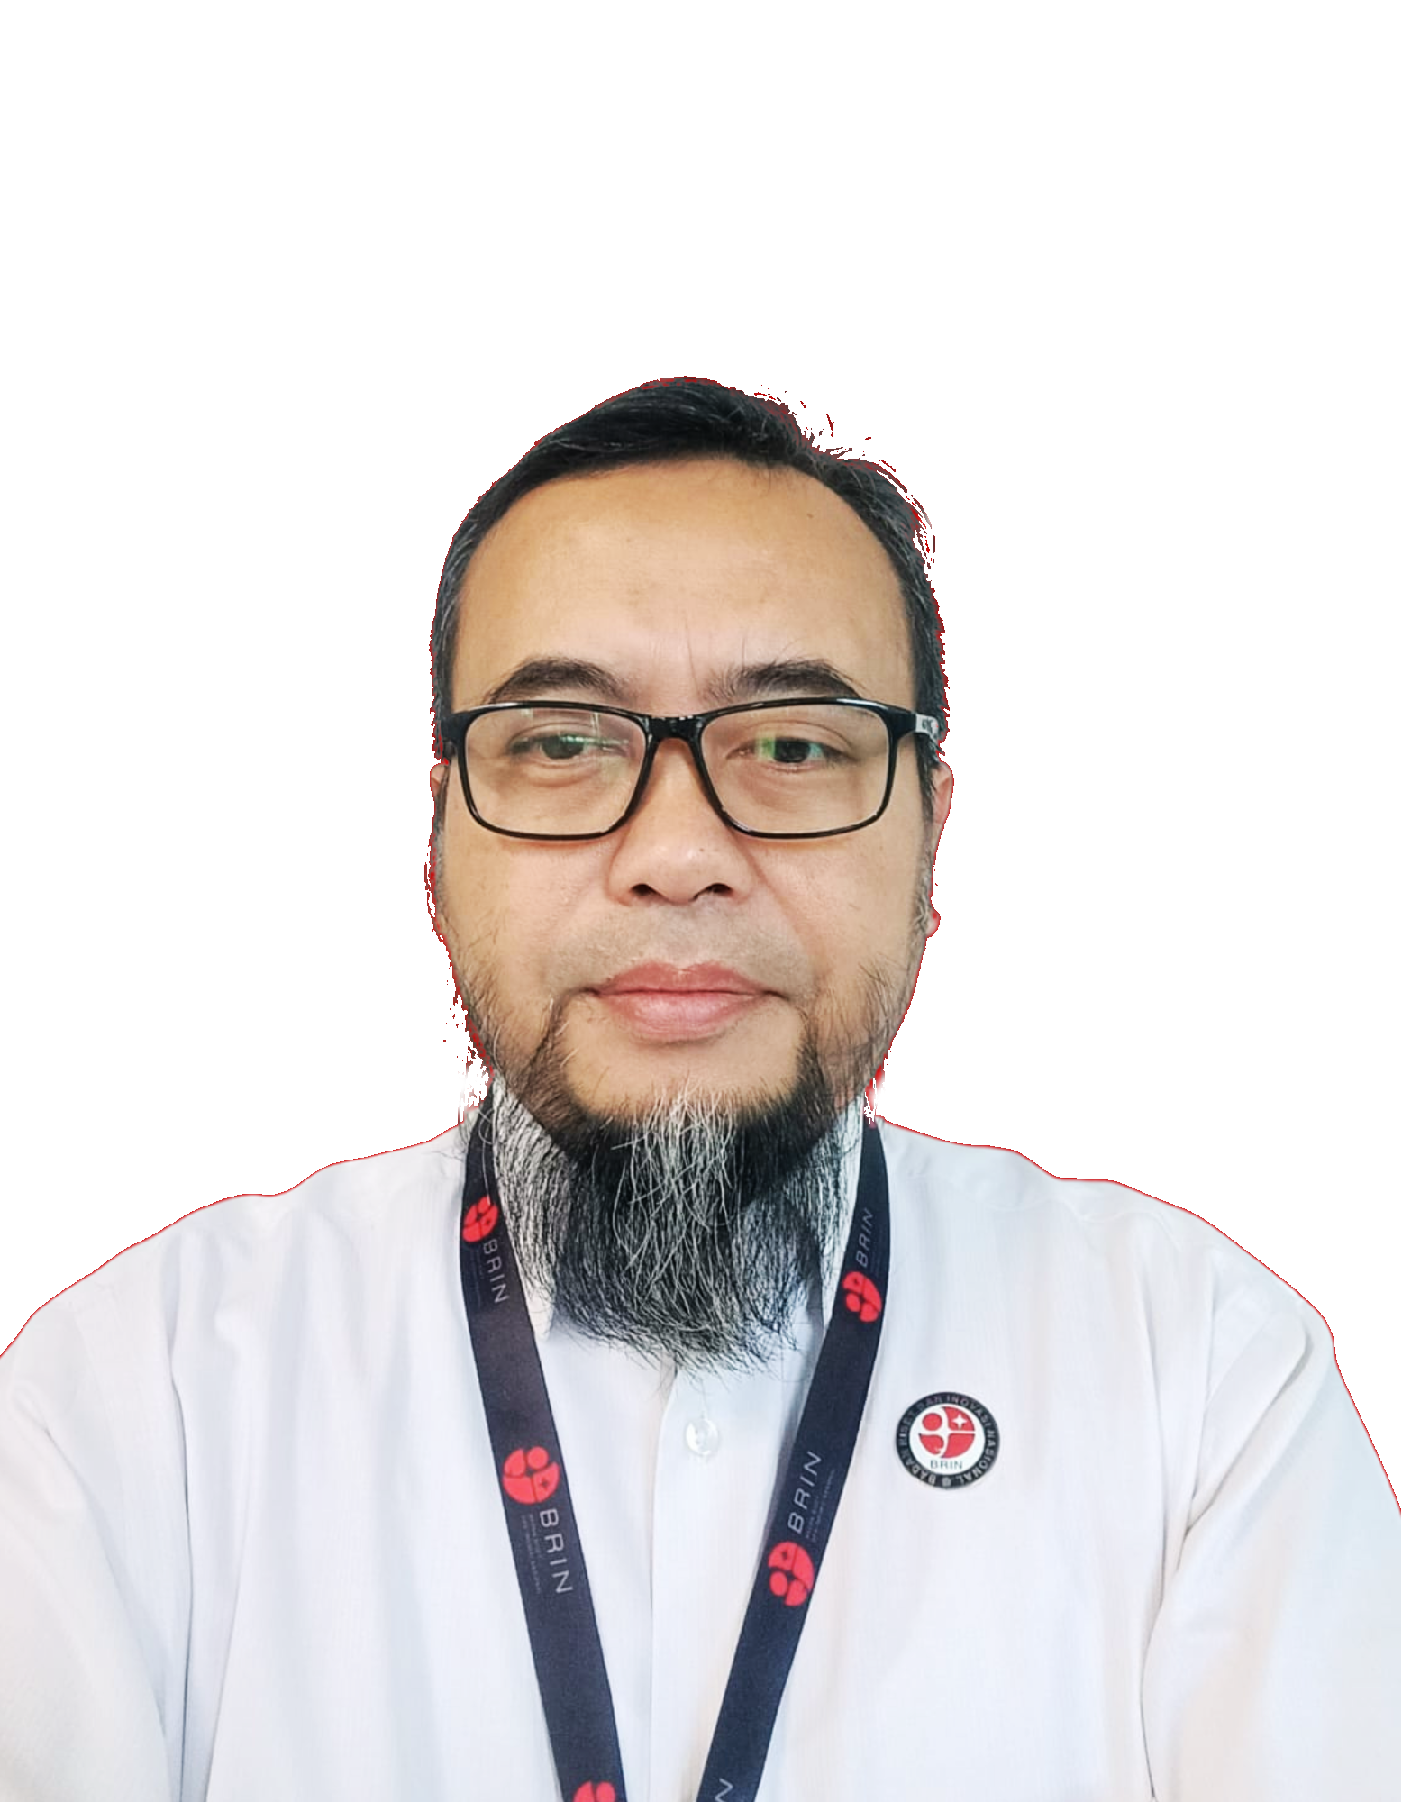
PUBLIKASI INTERNASIONAL
ORGANISASI RISET ELEKTRONIKAN DAN INFORMATIKA
PR SAINS DATA DAN INFORMASI
DASHBOARD CAPAIAN KINERJA
PUSAT RISET SAINS DATA DAN INFORMASI
Menghadirkan Inovasi melalui Sains Data dan Informasi
PURWARUPA

BIRO PERENCANAAN DAN KEUANGAN - ORGANISASI RISET ELEKTRONIKA DAN INFORMATIKA
PEMANTAUAN DAN EVALUASI KINERJA
“Transforming Insights into Action : Monitoring and Evaluating Performance”
SDM IPTEK
KEKAYAAN INTELEKTUAL

Target dan Capaian Utama
 | Target Capain | Jumlah Capaian
Purwarupa | 2 | 3
Kekayaan Intelektual | 30 | 37
Publikasi Internasional | 75 | 67
SDM Iptek | 10 | 5
Postdoc/VR | 5 | 8
Kerjasama LN | 5 | 7
Kerjasama DN | 15 | 25
Talenta Riset | 5 | 6
Percentase Capaian PR
Capaian PR | 0.00%
Target PR | 100.00%

Real PR | 0.00%
92,92% | 92.92%
7,08% | 7.08%

PEROLEHAN SUMBER DANA EKSTERNAL
JENIS DAN OUTPUT
SUMBER DANA EKSTERNAL
KERJASAMA

